Table 1
Non-imputation | MAGIC | SC-PHENIX
 | HALLMARK_ADIPOGENESIS | HALLMARK_ADIPOGENESIS
HALLMARK_ALLOGRAFT_REJECTION | HALLMARK_ALLOGRAFT_REJECTION | HALLMARK_ALLOGRAFT_REJECTION
 | HALLMARK_ANDROGEN_RESPONSE | HALLMARK_ANDROGEN_RESPONSE
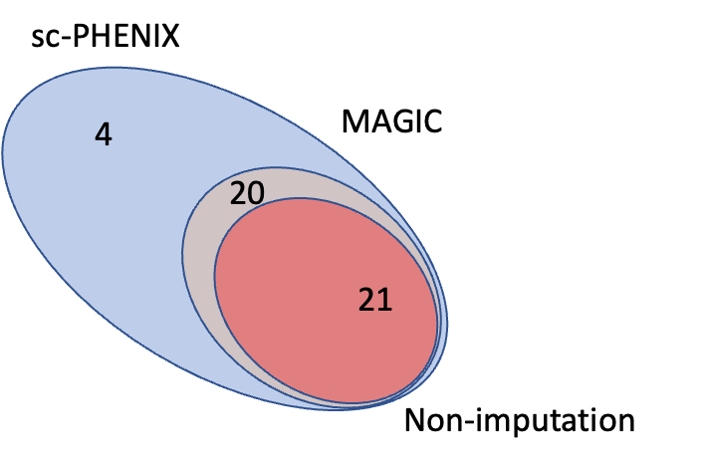
 | HALLMARK_ANGIOGENESIS | HALLMARK_ANGIOGENESIS
HALLMARK_APOPTOSIS | HALLMARK_APOPTOSIS | HALLMARK_APOPTOSIS
 | HALLMARK_CHOLESTEROL_HOMEOSTASIS | HALLMARK_CHOLESTEROL_HOMEOSTASIS
HALLMARK_COMPLEMENT | HALLMARK_COMPLEMENT | HALLMARK_COMPLEMENT
HALLMARK_DNA_REPAIR | HALLMARK_DNA_REPAIR | HALLMARK_DNA_REPAIR
HALLMARK_E2F_TARGETS | HALLMARK_E2F_TARGETS | HALLMARK_E2F_TARGETS
 | HALLMARK_EPITHELIAL_MESENCHYMAL_TRANSITION | HALLMARK_EPITHELIAL_MESENCHYMAL_TRANSITION
 | HALLMARK_ESTROGEN_RESPONSE_EARLY | HALLMARK_ESTROGEN_RESPONSE_EARLY
 | HALLMARK_ESTROGEN_RESPONSE_LATE | HALLMARK_ESTROGEN_RESPONSE_LATE
 | HALLMARK_FATTY_ACID_METABOLISM | HALLMARK_FATTY_ACID_METABOLISM
HALLMARK_G2M_CHECKPOINT | HALLMARK_G2M_CHECKPOINT | HALLMARK_G2M_CHECKPOINT
HALLMARK_GLYCOLYSIS | HALLMARK_GLYCOLYSIS | HALLMARK_GLYCOLYSIS
HALLMARK_HEME_METABOLISM | HALLMARK_HEME_METABOLISM | HALLMARK_HEME_METABOLISM
HALLMARK_HYPOXIA | HALLMARK_HYPOXIA | HALLMARK_HYPOXIA
HALLMARK_IL2_STAT5_SIGNALING | HALLMARK_IL2_STAT5_SIGNALING | HALLMARK_IL2_STAT5_SIGNALING
 | HALLMARK_IL6_JAK_STAT3_SIGNALING | HALLMARK_IL6_JAK_STAT3_SIGNALING
HALLMARK_INFLAMMATORY_RESPONSE | HALLMARK_INFLAMMATORY_RESPONSE | HALLMARK_INFLAMMATORY_RESPONSE
HALLMARK_INTERFERON_ALPHA_RESPONSE | HALLMARK_INTERFERON_ALPHA_RESPONSE | HALLMARK_INTERFERON_ALPHA_RESPONSE
HALLMARK_INTERFERON_GAMMA_RESPONSE | HALLMARK_INTERFERON_GAMMA_RESPONSE | HALLMARK_INTERFERON_GAMMA_RESPONSE
HALLMARK_KRAS_SIGNALING_DN | HALLMARK_KRAS_SIGNALING_DN | HALLMARK_KRAS_SIGNALING_DN
HALLMARK_KRAS_SIGNALING_UP | HALLMARK_KRAS_SIGNALING_UP | HALLMARK_KRAS_SIGNALING_UP
HALLMARK_MITOTIC_SPINDLE | HALLMARK_MITOTIC_SPINDLE | HALLMARK_MITOTIC_SPINDLE
HALLMARK_MTORC1_SIGNALING | HALLMARK_MTORC1_SIGNALING | HALLMARK_MTORC1_SIGNALING
HALLMARK_MYC_TARGETS_V1 | HALLMARK_MYC_TARGETS_V1 | HALLMARK_MYC_TARGETS_V1
 | HALLMARK_MYC_TARGETS_V2 | HALLMARK_MYC_TARGETS_V2
 | HALLMARK_NOTCH_SIGNALING | HALLMARK_NOTCH_SIGNALING
 | HALLMARK_OXIDATIVE_PHOSPHORYLATION | HALLMARK_OXIDATIVE_PHOSPHORYLATION
 | HALLMARK_P53_PATHWAY | HALLMARK_P53_PATHWAY
 | HALLMARK_PEROXISOME | HALLMARK_PEROXISOME
 | HALLMARK_PI3K_AKT_MTOR_SIGNALING | HALLMARK_PI3K_AKT_MTOR_SIGNALING
HALLMARK_PROTEIN_SECRETION | HALLMARK_PROTEIN_SECRETION | HALLMARK_PROTEIN_SECRETION
 | HALLMARK_REACTIVE_OXYGEN_SPECIES_PATHWAY | HALLMARK_REACTIVE_OXYGEN_SPECIES_PATHWAY
HALLMARK_SPERMATOGENESIS | HALLMARK_SPERMATOGENESIS | HALLMARK_SPERMATOGENESIS
HALLMARK_TGF_BETA_SIGNALING | HALLMARK_TGF_BETA_SIGNALING | HALLMARK_TGF_BETA_SIGNALING
 | HALLMARK_TNFA_SIGNALING_VIA_NFKB | HALLMARK_TNFA_SIGNALING_VIA_NFKB
 | HALLMARK_UNFOLDED_PROTEIN_RESPONSE | HALLMARK_UNFOLDED_PROTEIN_RESPONSE
 | HALLMARK_UV_RESPONSE_DN | HALLMARK_UV_RESPONSE_DN
 | HALLMARK_UV_RESPONSE_UP | HALLMARK_UV_RESPONSE_UP
 |  | HALLMARK_APICAL_JUNCTION
 |  | HALLMARK_COAGULATION
 |  | HALLMARK_WNT_BETA_CATENIN_SIGNALING
 |  | HALLMARK_XENOBIOTIC_METABOLISM

